3Layers
Loss Function | Layer 1 |  | Layer 2 |  | Layer 3 |  | Output Layer | Accuracy | Precision | Recall | F1 Score | Learning Rate | Epoch | Epoch vs Loss | Confusion Matrix
 | Neuron Number | Activation Function | Neuron Number | Activation Function | Neuron Number | Activation Function | Activation Function
Mean Squared Error | 24 | ReLU | 24 | SigMoid | 6 | ReLU | SigMoid | 0.80524344569 | 0.73563218391 | 0.68817204301 | 0.71111111111 | 0.1 | 50 | 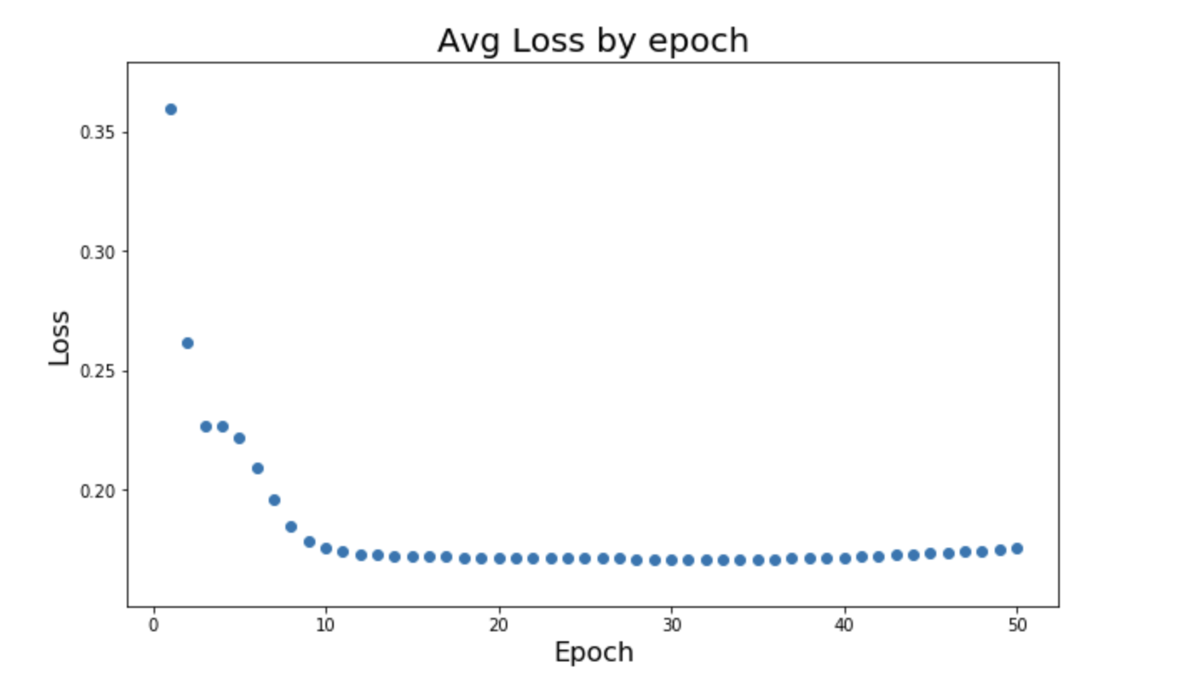 | 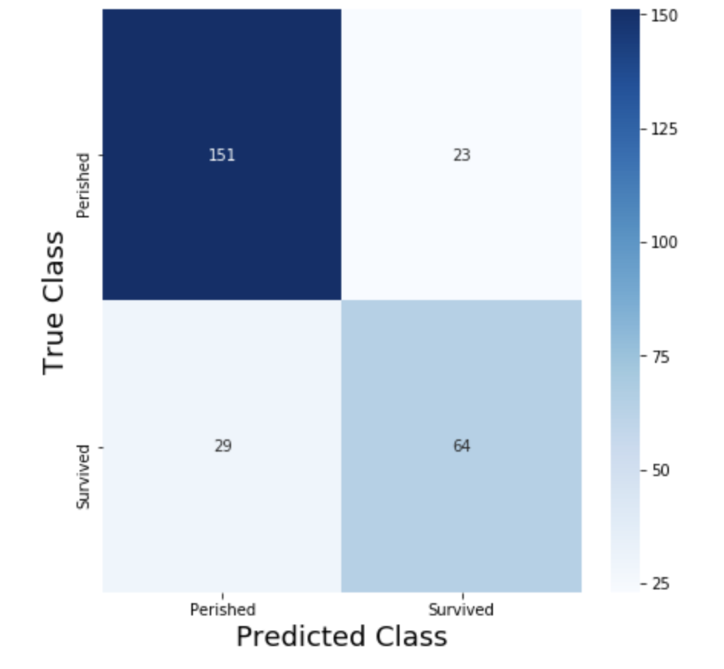
Binary Cross Entropy | 24 | ReLU | 24 | SigMoid | 6 | ReLU | SigMoid | 0.76779026217 | 0.62601626016 | 0.82795698925 | 0.71296296296 | 0.1 | 50 | 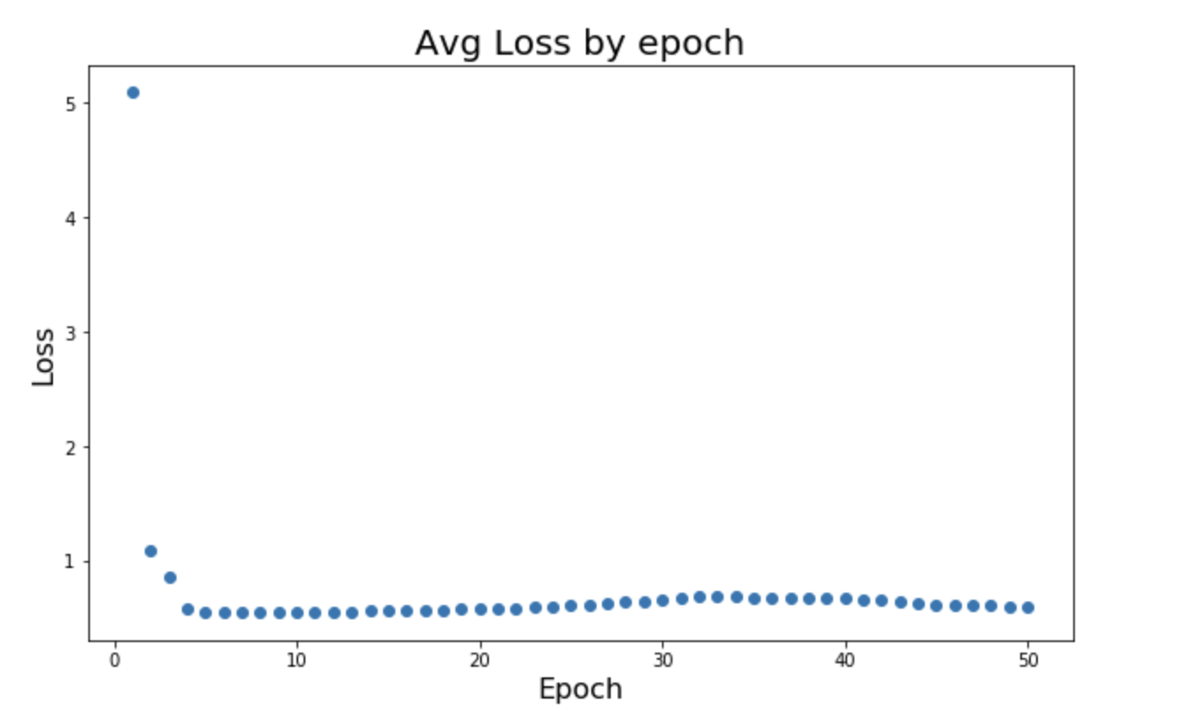 | 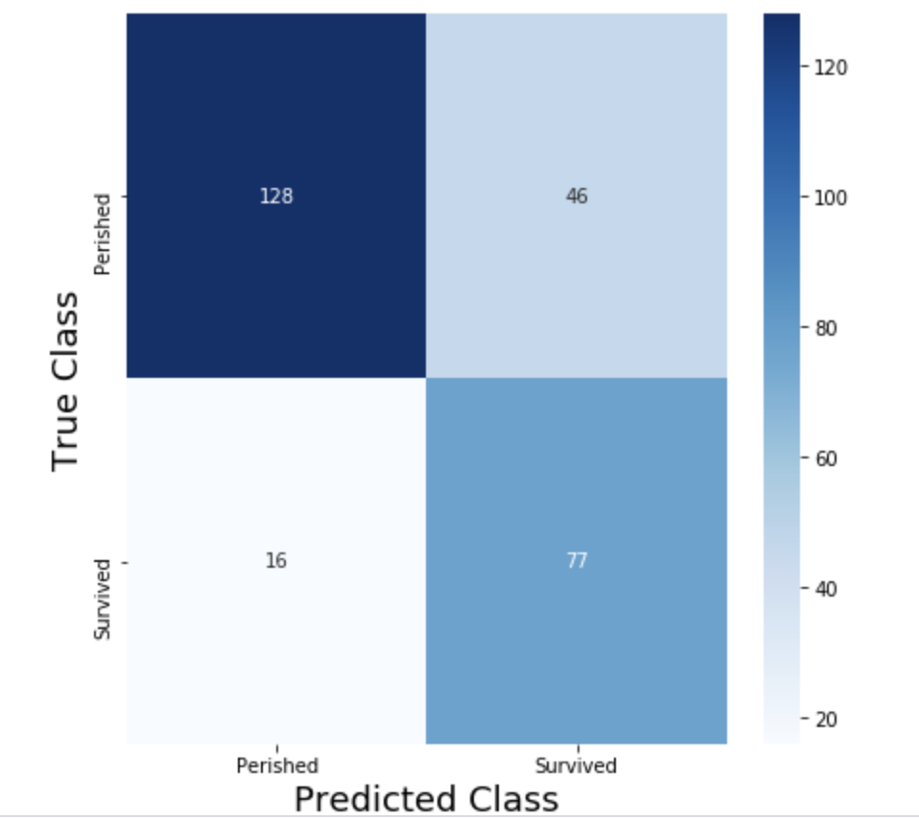
Mean Absolute Error | 24 | ReLU | 24 | SigMoid | 6 | ReLU | SigMoid | 0.82397003745 | 0.94545464567 | 0.50537634409 | 0.66666666667 | 0.8 | 50 | 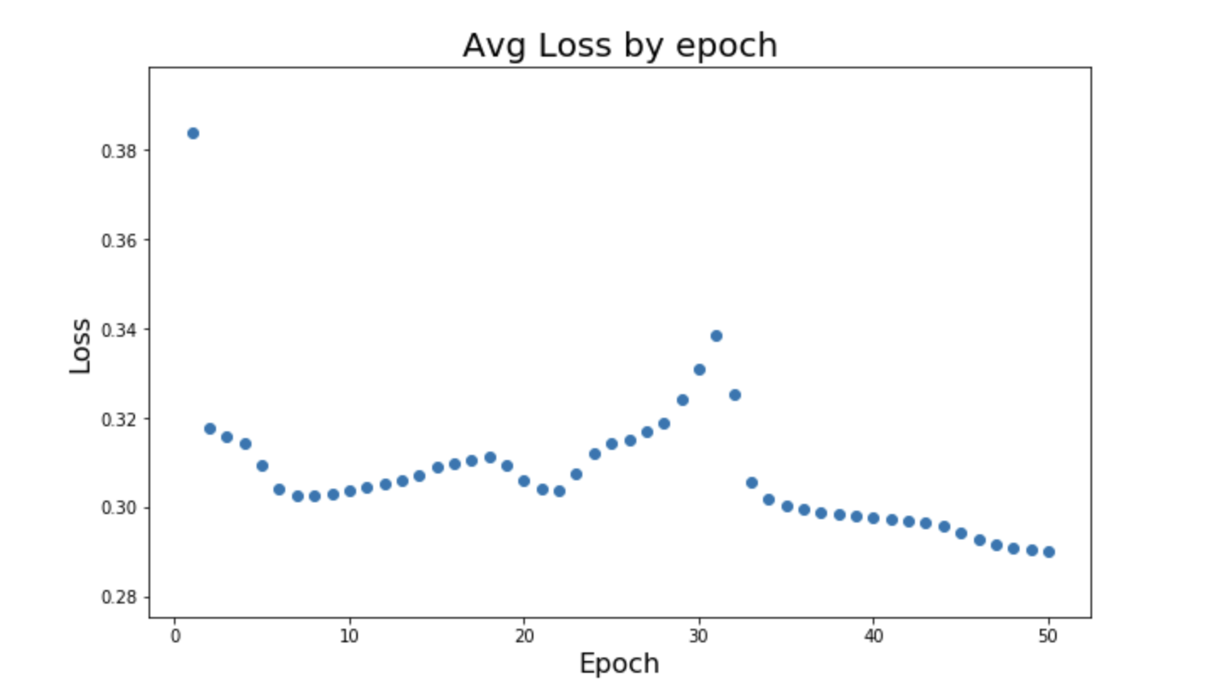 | 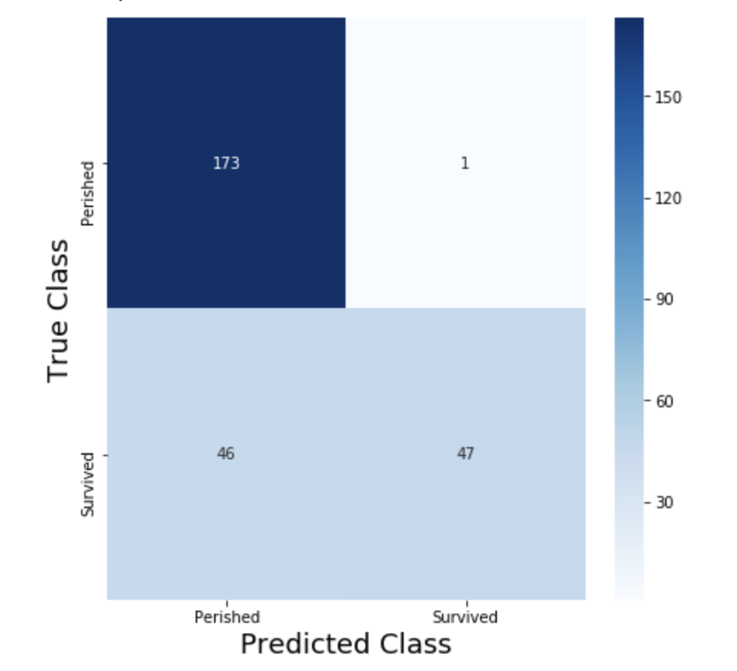
Mean Absolute Error | 24 | ReLU | 24 | ReLU | 6 | ReLU | ReLU | 0.7265917603 | 0.58474576271 | 0.74193548387 | 0.65402843602 | 0.01 | 50 | 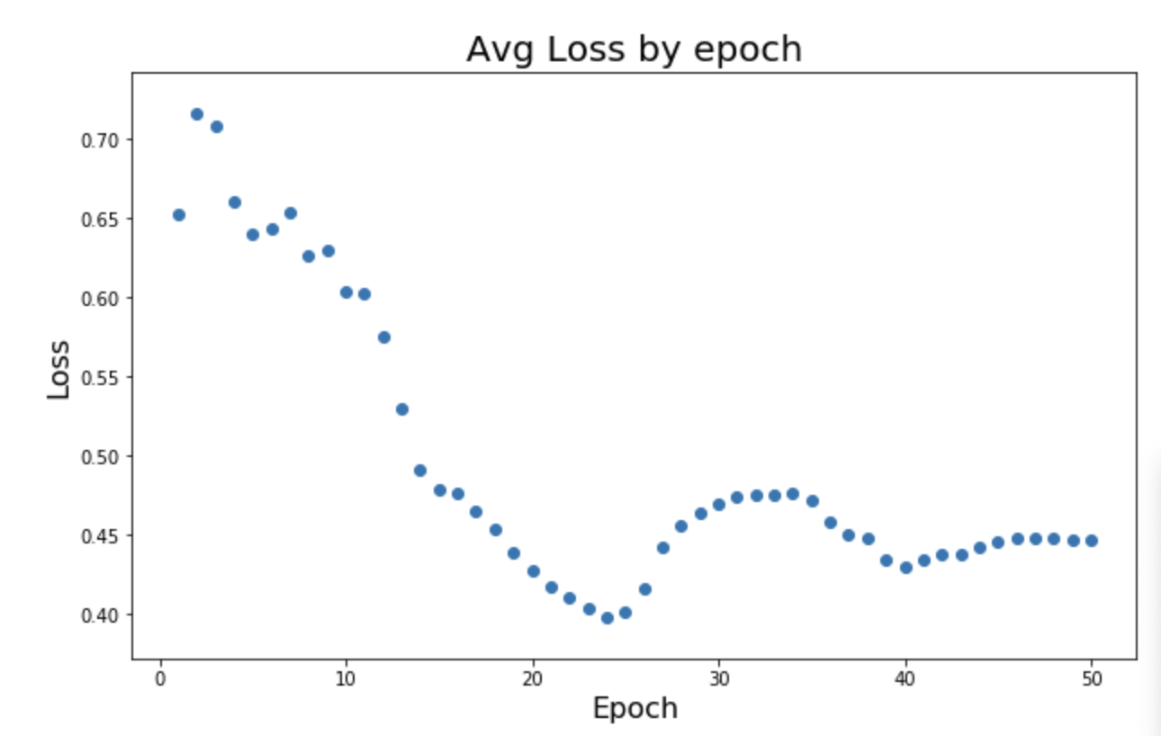 | 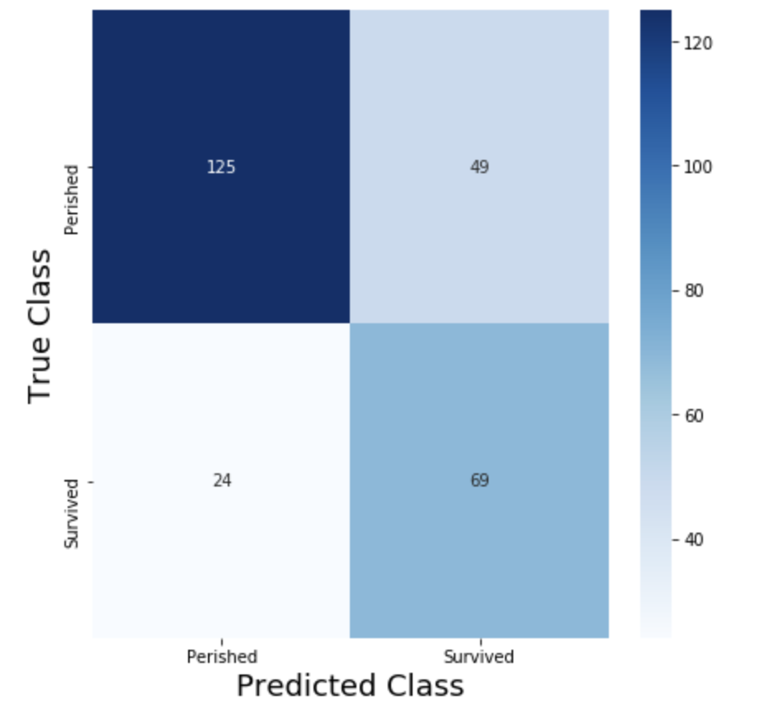
Mean Squared Error | 24 | ReLU | 24 | ReLU | 6 | ReLU | ReLU | 0.81234343532 | 0.97916666667 | 0.50537634409 | 0.64458748567 | 0.01 | 50 | 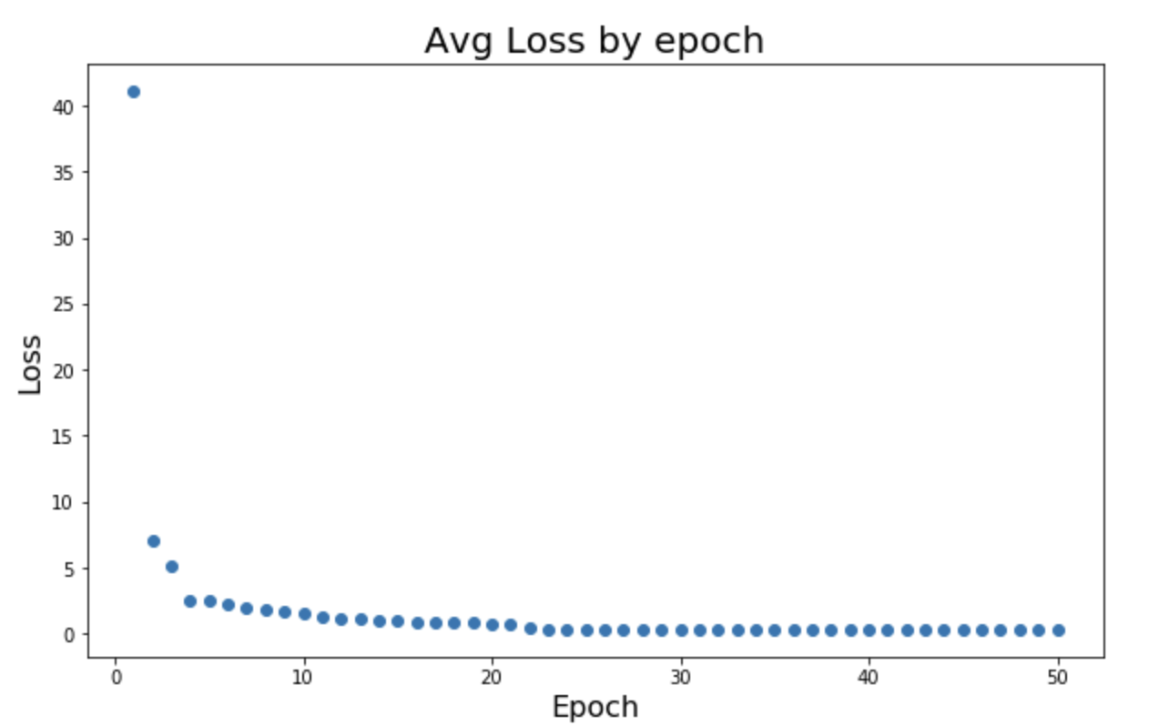 | 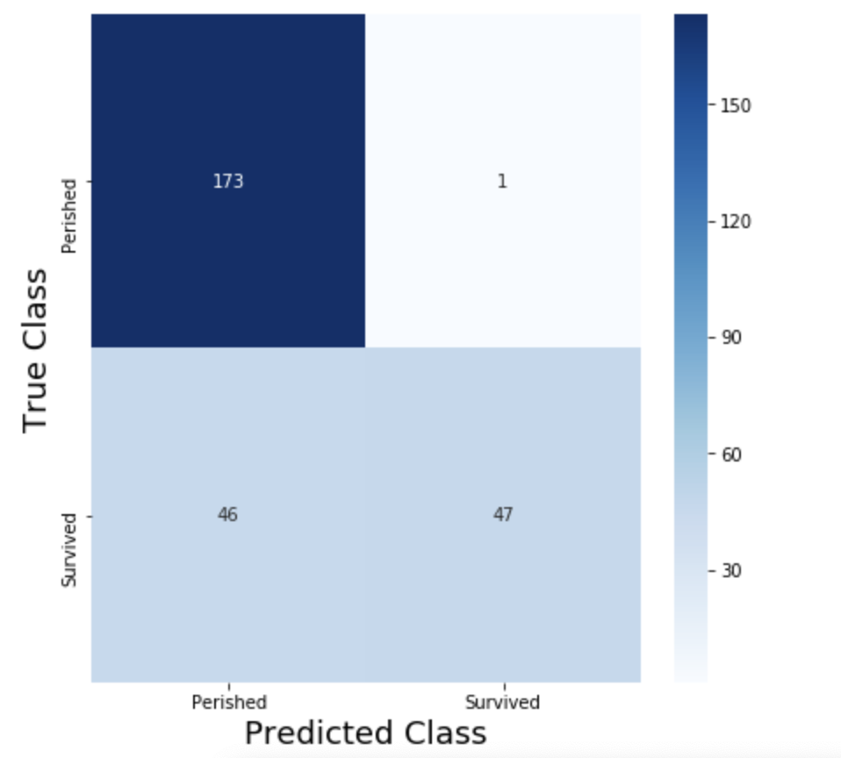
Mean Absolute Error | 24 | SigMoid | 24 | SigMoid | 6 | SigMoid | SigMoid | 0.68913857678 | 0.53246753247 | 0.88172043011 | 0.66396761134 | 0.8 | 50 | 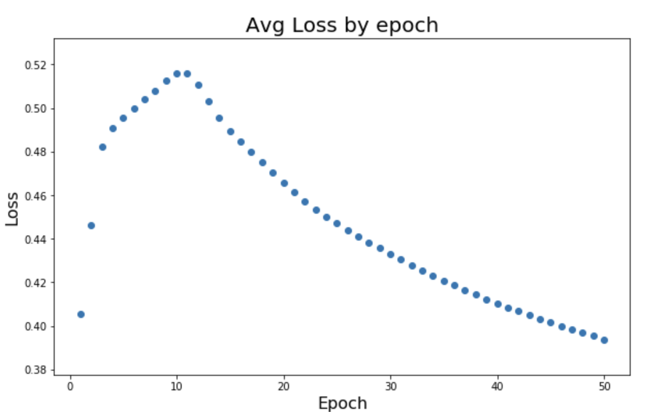 | 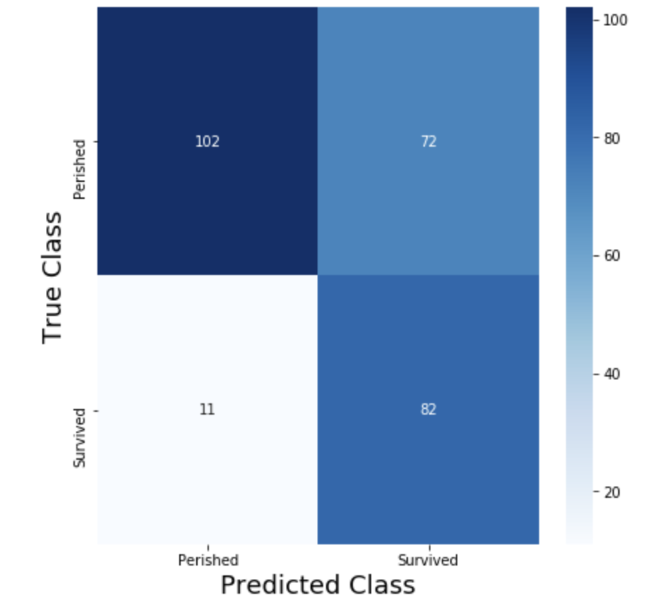
Mean Absolute Error | 24 | SigMoid | 12 | ReLU | 6 | SigMoid | ReLU | 0.80524344569 | 0.73563218391 | 0.68817204301 | 0.71111111111 | 0.8 | 50 | 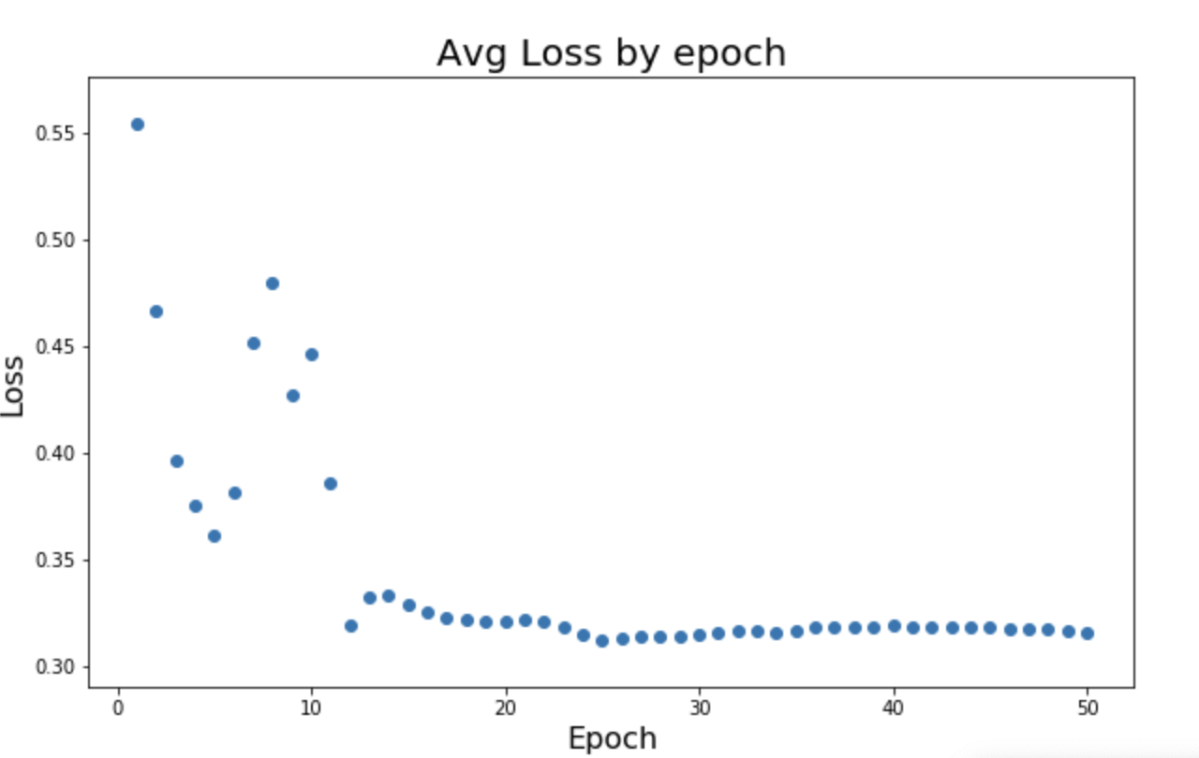 | 